Zone 6 Belmont
High Achieving Schools | Average Achieving Schools | Low Achieving Schools | # of Students Living in Zone | # Attend High Achieving School | % Attend High Achieving School
1 | 6 | 10 | 7672 | 920.64 | 12%

Zone 6: Belmont

Zone 6: Belmont

Zone 3 Overbrook
High Achieving Schools | Average Achieving Schools | Low Achieving Schools | # of Students Living in Zone | # Attending Catchment School | # Attend High Achieving School | % Attending Catchment School | % Attend High Achieving School
0 | 4 | 7 | 4736 | 1752.32 | 142.08 | 37% | 3%
Zone 3: Overbrook
Zone 3: Overbrook

Zone 3: Overbrook

Zone 3: Overbrook
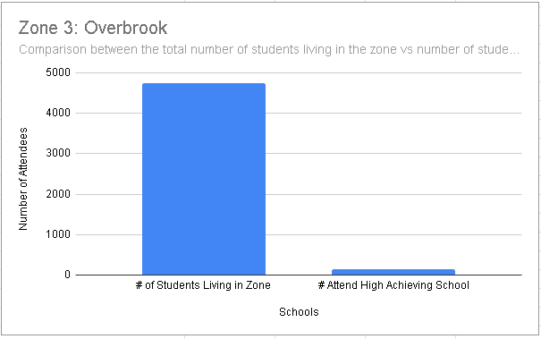

Zone 3: Overbrook

REVISED ZONE 6 BELMONT
High Achieving Schools | Average Achieving Schools | Low Achieving Schools | # of Students Living in Zone | # Attend High Achieving School | Asian | Black | Hispanic | White | Multiracial | Economically Disadvantaged
1 | 6 | 10 | 7672 | 920.64 | 0.00 | 7058.24 | 230.16 | 76.72 | 230.16 | 5216.96

Pie chart based on Ethnicity
Asian | 0.00
Black | 7058.24
Hispanic | 230.16
White | 76.72
Multiracial | 230.16
Bar Chart for comparing number of students and Ethnicity
# of Students Living in Zone | 7672
# Attend High Achieving School | 920.64
Asian | 0
Black | 7058.24
Hispanic | 230.16
White | 76.72
Multiracial | 230.16
Economically Disadvantaged | 5216.96

Economically Disadvantage VS # of Students Living in the Zone
 | 0 |  | 7672 | 0 | 5216.96

Ethicity and Economic Disadvantage

Ethnicity

REVISED ZONE 3 OVERBROOK
High Achieving Schools | Average Achieving Schools | Low Achieving Schools | # of Students Living in Zone | # Attend High Achieving School | Asian | Black | Hispanic | White | Multiracial | Economically Disadvantaged
0 | 4 | 7 | 4736 | 568.32 | 142.08 | 4025.60 | 94.72 | 236.8 | 189.44 | 3599.36

Pie chart based on Ethnicity
Asian | 142.08
Black | 4025.60
Hispanic | 94.72
White | 236.80
Multiracial | 189.44
Bar Chart for comparing number of students and Ethnicity

Ethnicity
Economically DisadvantageAttending high achieving school Students Living in the zone

